Answers Links
def divide(dividend, divisor): # Calculate sign of divisor i.e., sign will be negative only if either one of them is negative otherwise it will be positive sign = (-1 if((dividend < 0) ^ (divisor < 0)) else 1); # remove sign of operands dividend = abs(dividend); divisor = abs(divisor); # Initialize the quotient quotient = 0; temp = 0; # test down from the highest bit and accumulate the tentative value for valid bit for i in range(31, -1, -1): if (temp + (divisor << i) <= dividend): temp += divisor << i; quotient |= 1 << i; #if the sign value computed earlier is -1 then negate the value of quotient if sign ==-1 : quotient=-quotient; return quotient; # Driver code a = 10; b = 3; print(divide(a, b)); a = 45; b = -8; print(divide(a, b));

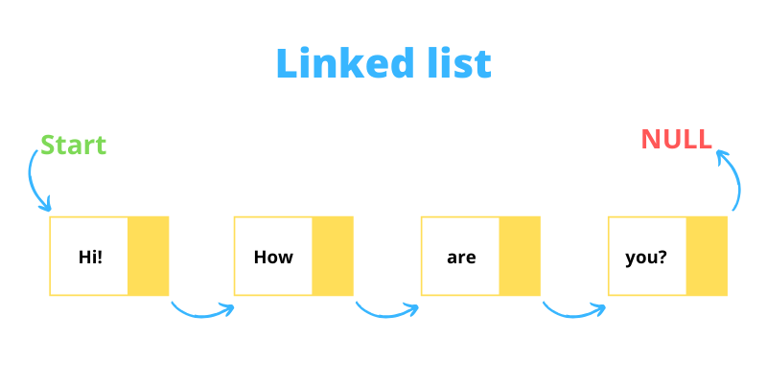
A linked list consists of nodes where each node contains a data field and a reference(link) to the next node in the list.

def fun(n, level): if (level == n): print('Hello World') return for i in range (n): fun(n, level+1) fun(2,0)

def fib(n): if n<=1: return 1 else: return fib(n-1)+fib(n-2) n=int(input()) #number of elements for i in range(n): print(fib(i),end=" ")

Interview Placemat


